Sheet1
Veraison_Female_Map_X.csv |  |  |  | Veraison_Female_Map_Y.csv |  |  |  | Veraison_Female_Map_Z.csv |  |  |  | Veraison_Male_Map_X.csv |  |  |  | Veraison_Male_Map_Y.csv |  |  |  | Veraison_Male_Map_Z.csv
Col No. | Trait | Highest LOD | Chr. | Col. No. | Trait | Highest LOD | Chr. | Col. No. | Trait | Highest LOD | Chr. | Col. No | Trait | Highest LOD | Chr. | Col. No. | Trait | Highest LOD | Chr. | Col. No. | Trait | Highest LOD | Chr.
22 | X1 | 2.33 | 4 | 22 | X22 | 1.78 | 4 | 22 | X43 | 1.44 | 11 | 18 | X1 | 3.8 | 5 | 18 | X22 | 2.54 | 5 | 18 | X43 | 3.5 | 5
23 | Y1 | 2.45 | 7 | 23 | Y22 | 3.01 | 1 | 23 | Y43 | 1.68 | 1 | 19 | Y1 | 3.93 | 5 | 19 | Y22 | 3.15 | 5 | 19 | Y43 | 3.03 | 7
24 | X2 | 2.08 | 4 | 24 | X23 | 1.76 | 19 | 24 | X44 | 2.64 | 19 | 20 | X2 | 3.63 | 5 | 20 | X23 | 3.03 | 5 | 20 | X44 | 2.59 | 5
25 | Y2 | 2.60 | 7 | 25 | Y23 | 2.98 | 1 | 25 | Y44 | 2.09 | 11 | 21 | Y2 | 4.19 | 5 | 21 | Y23 | 1.93 | 5 | 21 | Y44 | 3.44 | 7
26 | X3 | 1.70 | 7 | 26 | X24 | 1.43 | 11 | 26 | X45 | 1.69 | 1 | 22 | X3 | 3.27 | 5 | 22 | X24 | 2.75 | 5 | 22 | X45 | 3.37 | 5
27 | Y3 | 1.73 | 7 | 27 | Y24 | 1.37 | 3 | 27 | Y45 | 1.89 | 5 | 23 | Y3 | 3.85 | 5 | 23 | Y24 | 2.56 | 5 | 23 | Y45 | 2.89 | 5
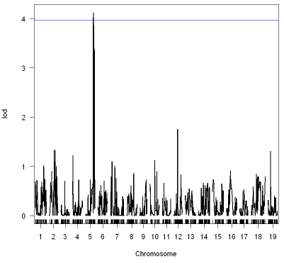
28 | X4 | 2.70 | 4 | 28 | X25 | 1.61 | 4 | 28 | X46 | 1.83 | 19 | 24 | X4 | 3.29 | 5 | 24 | X25 | 2.37 | 5 | 24 | X46 | 4.12 | 5 | M_Z_X46
29 | Y4 | 2.27 | 4 | 29 | Y25 | 2.93 | 1 | 29 | Y46 | 1.45 | 1 | 25 | Y4 | 3.62 | 5 | 25 | Y25 | 2.95 | 5 | 25 | Y46 | 2.85 | 5 | n.a.
30 | X5 | 2.53 | 1 | 30 | X26 | 2.11 | 4 | 30 | X47 | 1.72 | 11 | 26 | X5 | 2.83 | 5 | 26 | X26 | 3 | 5 | 26 | X47 | 2.93 | 5
31 | Y5 | 2.23 | 11 | 31 | Y26 | 1.97 | 4 | 31 | Y47 | 2.58 | 5 | 27 | Y5 | 3.02 | 5 | 27 | Y26 | 2.7 | 5 | 27 | Y47 | 3.32 | 7
32 | X6 | 1.59 | 1 | 32 | X27 | 1.81 | 4 | 32 | X48 | 1.88 | 11 | 28 | X6 | 3.19 | 5 | 28 | X27 | 3.39 | 5 | 28 | X48 | 3.14 | 5
33 | Y6 | 2.21 | 19 | 33 | Y27 | 1.55 | 4 | 33 | Y48 | 2.34 | 15 | 29 | Y6 | 3.4 | 5 | 29 | Y27 | 1.91 | 5 | 29 | Y48 | 3.46 | 7
34 | X7 | 2.18 | 19 | 34 | X28 | 2.7 | 4 | 34 | X49 | 2.73 | 5 | 30 | X7 | 3.08 | 5 | 30 | X28 | 3.36 | 5 | 30 | X49 | 2.79 | 5
35 | Y7 | 2.46 | 11 | 35 | Y28 | 1.55 | 18 | 35 | Y49 | 1.58 | 5 | 31 | Y7 | 3.28 | 5 | 31 | Y28 | 1.94 | 5 | 31 | Y49 | 2.51 | 7
36 | X8 | 2.13 | 4 | 36 | X29 | 2.62 | 4 | 36 | X50 | 1.8 | 11 | 32 | X8 | 3.25 | 5 | 32 | X29 | 3.06 | 5 | 32 | X50 | 2.09 | 5
37 | Y8 | 1.99 | 5 | 37 | Y29 | 1.73 | 4 | 37 | Y50 | 1.19 | 4 | 33 | Y8 | 2.6 | 9 | 33 | Y29 | 2.72 | 5 | 33 | Y50 | 3.11 | 5
38 | X9 | 2.80 | 4 | 38 | X30 | 1.95 | 4 | 38 | X51 | 1.65 | 1 | 34 | X9 | 4.15 | 5 | 34 | X30 | 4.6 | 5 | 34 | X51 | 2.01 | 13
39 | Y9 | 1.85 | 19 | 39 | Y30 | 2.59 | 7 | 39 | Y51 | 2.48 | 1 | 35 | Y9 | 3.35 | 5 | 35 | Y30 | 2.4 | 5 | 35 | Y51 | 3.05 | 7
40 | X10 | 2.25 | 4 | 40 | X31 | 1.8 | 4 | 40 | X52 | 3.04 | 1 | 36 | X10 | 2.93 | 5 | 36 | X31 | 3.12 | 5 | 36 | X52 | 4.21 | 5
41 | Y10 | 2.69 | 7 | 41 | Y31 | 1.72 | 18 | 41 | Y52 | 2.14 | 1 | 37 | Y10 | 3.29 | 5 | 37 | Y31 | 2.24 | 3 | 37 | Y52 | 2.41 | 5
42 | X11 | 1.67 | 4 | 42 | X32 | 1.88 | 4 | 42 | X53 | 2.39 | 1 | 38 | X11 | 2.59 | 5 | 38 | X32 | 3.08 | 5 | 38 | X53 | 1.89 | 5
43 | Y11 | 2.47 | 11 | 43 | Y32 | 1.62 | 1 | 43 | Y53 | 2.26 | 5 | 39 | Y11 | 2.98 | 5 | 39 | Y32 | 3.64 | 5 | 39 | Y53 | 2.51 | 5
44 | X12 | 1.50 | 1 | 44 | X33 | 1.58 | 1 | 44 | X54 | 3.12 | 1 | 40 | X12 | 2.57 | 5 | 40 | X33 | 3.42 | 5 | 40 | X54 | 3.41 | 5
45 | Y12 | 1.76 | 4 | 45 | Y33 | 1.51 | 4 | 45 | Y54 | 2.26 | 19 | 41 | Y12 | 2.5 | 5 | 41 | Y33 | 2.57 | 3 | 41 | Y54 | 2.31 | 5
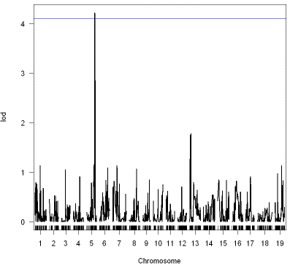
46 | X13 | 1.99 | 4 | 46 | X34 | 2.61 | 4 | 46 | X55 | 2.2 | 1 | 42 | X13 | 2.66 | 5 | 42 | X34 | 3.36 | 5 | 42 | X55 | 2.51 | 5
47 | Y13 | 1.89 | 11 | 47 | Y34 | 2.61 | 4 | 47 | Y55 | 1.55 | 1 | 43 | Y13 | 2.27 | 5 | 43 | Y34 | 2.51 | 5 | 43 | Y55 | 2.47 | 7 | M_Z_X52
48 | X14 | 2.58 | 4 | 48 | X35 | 1.35 | 11 | 48 | X56 | 2.63 | 19 | 44 | X14 | 3.13 | 5 | 44 | X35 | 2.99 | 5 | 44 | X56 | 2.09 | 13 | n.a
49 | Y14 | 1.99 | 11 | 49 | Y35 | 1.8 | 4 | 49 | Y56 | 1.72 | 11 | 45 | Y14 | 3.27 | 5 | 45 | Y35 | 1.85 | 5 | 45 | Y56 | 2.19 | 5
50 | X15 | 2.08 | 4 | 50 | X36 | 2.71 | 17 | 50 | X57 | 2.04 | 6 | 46 | X15 | 2.56 | 5 | 46 | X36 | 3.39 | 5 | 46 | X57 | 2.46 | 14
51 | Y15 | 2.58 | 5 | 51 | Y36 | 1.63 | 5 | 51 | Y57 | 2.19 | 5 | 47 | Y15 | 3.41 | 5 | 47 | Y36 | 2.3 | 5 | 47 | Y57 | 2.41 | 5
52 | X16 | 2.63 | 4 | 52 | X37 | 2.39 | 17 | 52 | X58 | 2.4 | 13 | 48 | X16 | 3.49 | 5 | 48 | X37 | 3.54 | 5 | 48 | X58 | 1.84 | 5
53 | Y16 | 2.34 | 4 | 53 | Y37 | 2.55 | 1 | 53 | Y58 | 2.79 | 6 | 49 | Y16 | 3.23 | 5 | 49 | Y37 | 2.76 | 5 | 49 | Y58 | 3.6 | 5
54 | X17 | 2.80 | 4 | 54 | X38 | 1.95 | 17 | 54 | X59 | 4.31 | 13 | 50 | X17 | 2.73 | 7 | 50 | X38 | 3.25 | 5 | 50 | X59 | 1.85 | 19
55 | Y17 | 2.28 | 4 | 55 | Y38 | 2.48 | 4 | 55 | Y59 | 2.11 | 5 | 51 | Y17 | 2.91 | 5 | 51 | Y38 | 2.1 | 5 | 51 | Y58 | 2.9 | 5
56 | X18 | 4.72 | 4 | 56 | X39 | 1.59 | 19 | 56 | X60 | 2.09 | 11 | 52 | X18 | 2.38 | 5 | 52 | X39 | 4.32 | 5 | 52 | X60 | 2.31 | 5
57 | Y18 | 1.97 | 7 | 57 | Y39 | 1.72 | 18 | 57 | Y60 | 2.68 | 5 | 53 | Y18 | 3.13 | 5 | 53 | Y39 | 2.05 | 5 | 53 | Y60 | 3.55 | 5
58 | X19 | 2.55 | 4 | 58 | X40 | 1.56 | 2 | 58 | X61 | 2.62 | 11 | 54 | X19 | 2.48 | 5 | 54 | X40 | 3.44 | 5 | 54 | X61 | 2.09 | 5
59 | Y19 | 2.61 | 4 | 59 | Y40 | 1.5 | 4 | 59 | Y61 | 2.59 | 5 | 55 | Y19 | 2.56 | 5 | 55 | Y40 | 2.03 | 3 | 55 | Y61 | 2.64 | 7
60 | X20 | 3.76 | 4 | 60 | X41 | 1.94 | 4 | 60 | X62 | 1.96 | 19 | 56 | X20 | 3.54 | 5 | 56 | X41 | 3 | 5 | 56 | X62 | 2.91 | 19
61 | Y20 | 2.95 | 4 | 61 | Y41 | 1.68 | 4 | 61 | Y62 | 1.88 | 5 | 57 | Y20 | 4.67 | 5 | 57 | Y41 | 3.17 | 5 | 57 | Y62 | 2.76 | 5
62 | X21 | 2.69 | 4 | 62 | X42 | 1.59 | 4 | 62 | X63 | 2.42 | 4 | 58 | X21 | 4.01 | 5 | 58 | X42 | 1.5 | 13 | 58 | X63 | 1.47 | 6
63 | Y21 | 2.73 | 4 | 63 | Y42 | 1.58 | 17 | 63 | Y63 | 1.83 | 13 | 59 | Y21 | 3.58 | 5 | 59 | Y42 | 1.8 | 7 | 59 | Y63 | 2.61 | 7

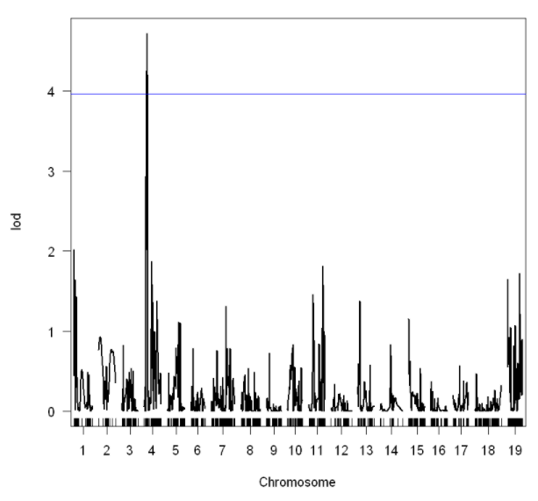
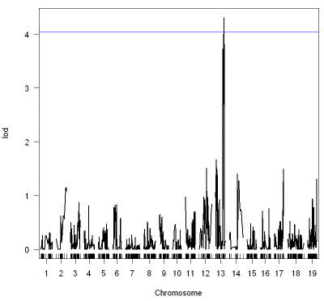
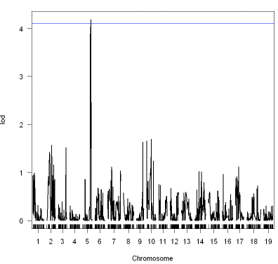
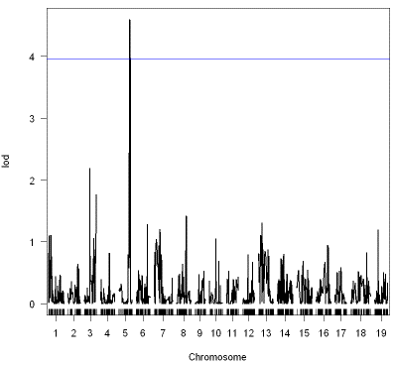
F_X_X18 |  |  |  |  |  |  | F_Z_X59 |  |  |  |  |  |  | M_X_Y2 |  |  |  |  |  |  | M_Y_X30
n.a |  |  |  |  |  |  | n.a |  |  |  |  |  |  | n.a |  |  |  |  |  |  | n.a

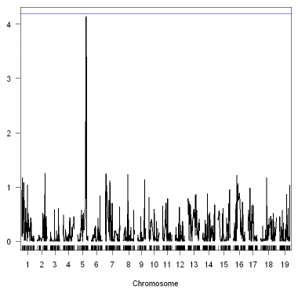
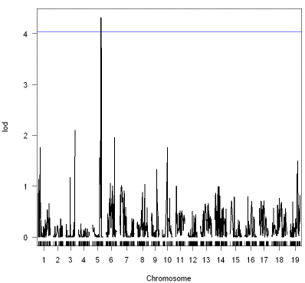
 |  |  |  |  |  |  |  |  |  |  |  |  |  | M_X_X9 |  |  |  |  |  |  | M_Y_X39
 |  |  |  |  |  |  |  |  |  |  |  |  |  | n.a. |  |  |  |  |  |  | n.a

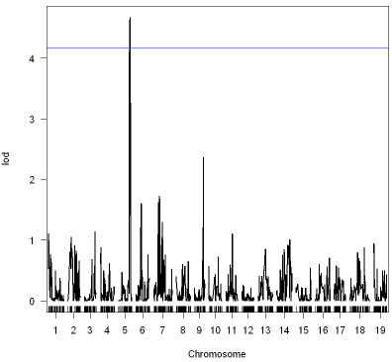
 |  |  |  |  |  |  |  |  |  |  |  |  |  | M_X_Y20

